Φύλλο1
Mold No. | Mold Pic | style | Product Descriptions |  |  |  |  |  |  |  |  |  |  |  |  |  | PIECES | Packing Details
 |  |  | Movt. |  | Watch Case |  |  | Watch Strap |  |  | Mirros |  |  | Button Type | Unit Weight/g | Waterproof |  | Inner Pack | Qty/Carton | Carton Size/cm | Packing Weight/kg
 |  |  | Model | Original | Mat. | Dia. | Thick/mm | Mat. | Length | Width | Mat. | Dia/mm | Thick/mm |  |  |  |  |  |  |  | G.W. | N.W.
JST-077 | 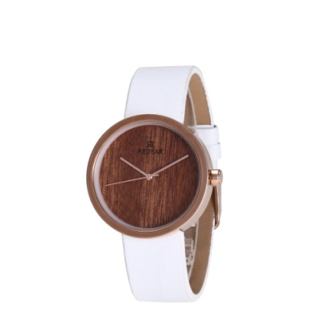 | male & female | 2035 | Japan | Metal Alloy | 37*37 | PU | 155-200 | 19 |  | Mineral Glass | 32 | 11 | Steel Buckle | 39 | daily waterproof | 30 | 1pcs/oppbag, 20pcs / inner boxes | 200 | 45*32*32CM | 11KG | 10KG
JST-060 | 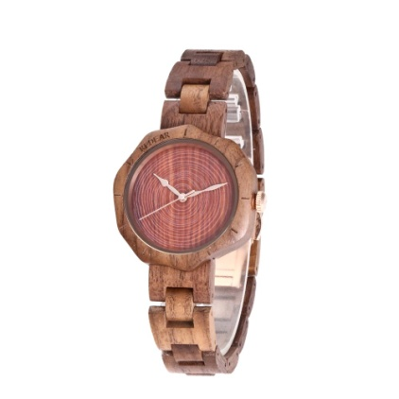 | male & female | 2035 | Japan | Walnut | 41*41 | Walnut | 180-230 | 18 |  | Mineral Glass | 34 | 11 | Spring Buckle | 24 | daily waterproof | 20 | 1pcs/oppbag, 20pcs / inner boxes | 200 | 45*32*32CM | 11KG | 10KG
6002-3 | 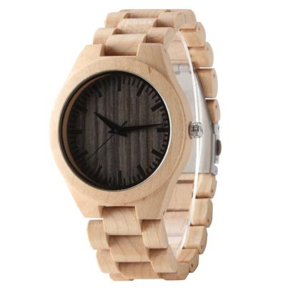 |  | 2035 | Japan | Maple | 45 | 11 | Maple | 180 | 24 | Mineral Glass |  |  | Steel Buckle | 45g | daily waterproof | 70 | 1pcs/oppbag, 20pcs / inner boxes | 200 | 45*32*32CM | 11KG | 10KG
6002-4 | 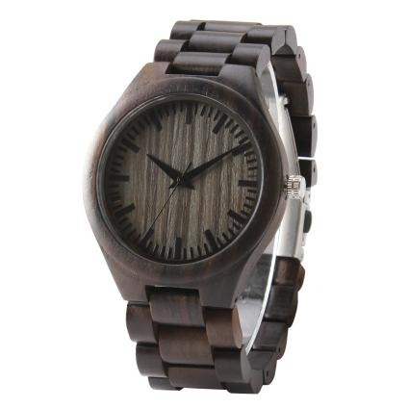 |  | 2035 | Japan | Ebony | 45 | 11 | Ebony | 180 | 24 | Mineral Glass |  |  | Steel Buckle | 45g | daily waterproof | 40 | 1pcs/oppbag, 20pcs / inner boxes | 200 | 45*32*32CM | 11KG | 10KG
6004-3 | 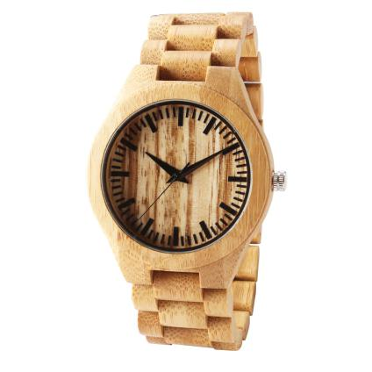 |  | 2035 | Japan | Bamboo | 45 | 11 | Bamboo | 180 | 24 | Mineral Glass |  |  | Steel Buckle | 45g | daily waterproof | 40 | 1pcs/oppbag, 20pcs / inner boxes | 200 | 45*32*32CM | 11KG | 10KG
TOTAL |  |  |  |  |  |  |  |  |  |  |  |  |  |  |  |  | 200

